TIPS FOR ESTIMATING O2
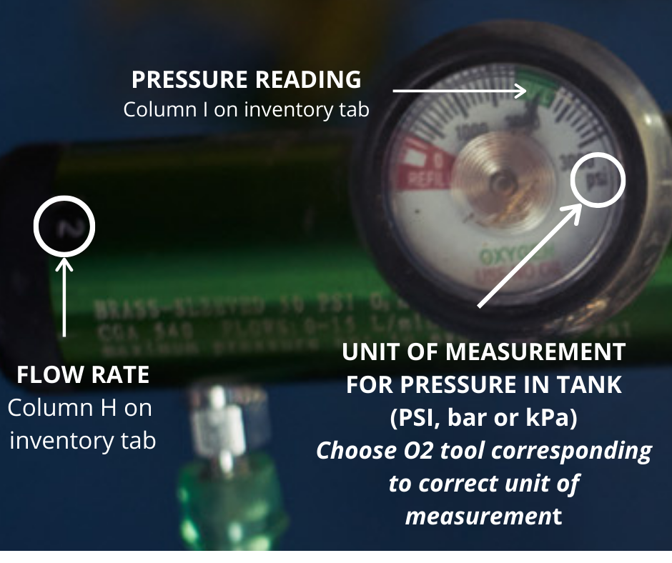
Please keep in mind that while several common variables such as tank leaking and possible sharing tanks among low flow patients are taken in to account in these calculations, this is still an estimating tool and does not take the place of a skilled caregiver.

Make sure you are choosing the spreadsheet that corresponds with the oxygen regulator used on your tanks. Regulators measure in PSI (pounds per square inch), kPa (Kilopascal) and bar. Look on your regulator guage to find out which measurement it is using. All three versions of this oxygen calculation tool are available at https://tikayhaiti.org/continuous-oxygen-administration/. THIS TOOL USES BAR

There are only 3 tabs only tabs you will be interacting with to estimate your oxygen needs:

DASHBOARD - Contains the results of your oxygen inventory. Tells you an approximation of total tanks needed for multiple patients according to various tank sizes available. Please note the difference between volume needed and tanks needed. Volume needed simply collects the total Liters of oxygen needed to satisfy the oxygen needs of the entire population entered into the inventory tab. However, while oxygen tank sharing is possible at lower flow rates, it is limited and most patients will require their own tank(s). Therefore the number of tanks needed is greater than the absolute volume to take into account delivery to the patients. No data input is needed on this tab.

INVENTORY - This sheet is where you add your tank data for all of your patients. It is also where you will find the approximate time and date that each tank will need to be changed. NOTE- The green columns that are for input of data.

M250 Namogram- This sheet is a quicker, but rougher estimate of oxygen needs of multiple patients that are all using an M250 tank (as this is probably the most popular tank used at medical facilities). It can be useful for a much quicker assessment, but it is less accurate as it assumes all tanks are full at the start. There is only one column to input data, the first one. Simply enter the amount of tanks being used for each flow rate.

The rest of the tabs are used for calculations/reference only and should not be altered.

Oxygen Tank Sizes
Cylinders | Conversion Factors | Service Pressure (PSI) | Oxygen Capacity (L) | Slopes (L/min^2)
M122 | 1.56 | 2216 | 3455 | -109.87
M150 | 2.11 | 2015 | 4248 | -135.080
M2 | 0.02 | 2216 | 42 | -1.350
M22 | 0.28 | 2216 | 623 | -19.800
M250 | 3.14 | 2216 | 7080 | -595.550
M4 | 0.05 | 2216 | 113 | -3.600
M6 | 0.08 | 2216 | 170 | -5.410
M60 | 0.77 | 2216 | 1699 | -54.040
M9 | 0.13 | 2015 | 255 | -8.070
M90 | 1.15 | 2216 | 2549 | -81.050
MD | 0.21 | 2015 | 425 | -13.510
ME | 0.34 | 2015 | 679 | -21.610
ML6 | 0.08 | 2015 | 170 | -5.410
Oxygen Concentrator | N/A | N/A | N/A | N/A
Cylinders column need to be sorted alpha numerically for the lookup function in the Inventory sheet

Duration
 | Tank Size
Flow Rate (LPM) | M2 (hrs) | M4 (hrs) | ML6 (hrs) | M9 (hrs) | M6 (hrs) | M22 (hrs) | MD (hrs) | M60 (hrs) | ME (hrs) | M90 (hrs) | M122 (hrs) | M150 (hrs) | M250 (hrs)
0.5 | 1.42 | 3.78 | 5.66 | 8.5 | 5.66 | 20.77 | 14.16 | 56.64 | 22.66 | 84.96 | 115.17 | 141.6 | 230
1 | 0.71 | 1.89 | 2.83 | 4.25 | 2.83 | 10.38 | 7.08 | 28.32 | 11.33 | 42.48 | 57.58 | 70.8 | 115
2 | 0.35 | 0.94 | 1.42 | 2.12 | 1.42 | 5.19 | 3.54 | 14.16 | 5.66 | 21.24 | 28.79 | 35.4 | 56.57
3 | 0.24 | 0.63 | 0.94 | 1.32 | 0.94 | 3.46 | 2.36 |  | 3.78 | 14.16 | 19.19 | 23.6 | 38.37
4 | 0.18 | 0.47 | 0.71 | 1.06 | 0.71 | 2.6 | 1.77 | 7.08 | 2.83 | 10.62 | 14.4 | 17.7 | 28.78
5 | 0.14 | 0.38 | 0.57 | 0.85 | 0.57 | 2.08 | 1.42 | 5.66 | 2.27 | 8.5 | 11.52 | 14.16 | 23
6 | 0.12 | 0.31 | 0.47 | 0.71 | 0.47 | 1.73 | 1.18 | 4.72 | 1.89 | 7.08 | 9.6 | 11.8 | 19.18
8 | 0.09 | 0.24 | 0.35 | 0.53 | 0.35 | 1.3 | 0.89 | 3.54 | 1.42 | 5.31 | 7.2 | 8.85 | 14.38
10 | 0.07 | 0.19 | 0.28 | 0.42 | 0.28 | 1.04 | 0.71 | 2.83 | 1.13 | 4.25 | 5.76 | 7.08 | 11.51
15 | 0.05 | 0.13 | 0.19 | 0.28 | 0.19 | 0.69 | 0.47 | 1.89 | 0.76 | 2.83 | 3.84 | 4.72 | 7.67
20 | 0.04 | 0.09 | 0.14 | 0.21 | 0.14 | 0.52 | 0.35 | 1.42 | 0.57 | 2.12 | 2.88 | 3.54 | 5.7525
25 | 0.03 | 0.08 | 0.11 | 0.17 | 0.11 | 0.42 | 0.28 | 1.13 | 0.45 | 1.7 | 2.3 | 2.83 | 4.602
30 | 0.02 | 0.06 | 0.09 | 0.14 | 0.09 | 0.35 | 0.24 | 0.94 | 0.38 | 1.42 | 1.92 | 2.36 | 3.835

For reference,
Most standard large tanks will be M250
This is the duration of the tank at different Oxygen Flow rates

Reference-Abbreviations
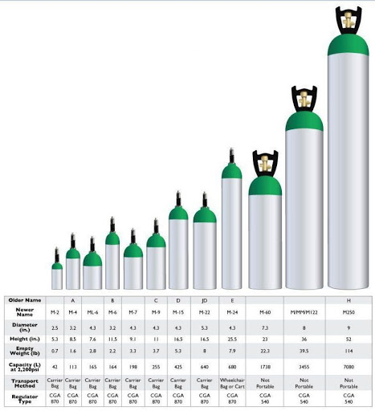
Duration | [ Conversion Factor * Pressure Left (PSI) ]/ (Flow Rate (Liters/Minute))
Daily Tank Estimate | 1* (# of Tanks at 0.5-4 LPM) + 2*(# of tanks at 5-8 LPM) +3*(# of tanks at 10 LPM) + 4*(# tanks at 15 LPM)
CFETPD | Conversion Factor Exact Tanks Per Day
CFATPD | Conversion Factor Approximate Tanks Per Day
CFATPW | Conversion Factor Approximate Tanks Per Week

