Oxygen Tank Sizes
Cylinders | Conversion Factors | Service Pressure (PSI) | Oxygen Capacity (L) | Slopes (L/min^2)
M122 | 1.56 | 2216 | 3455 | -109.87
M150 | 2.11 | 2015 | 4248 | -135.080
M2 | 0.02 | 2216 | 42 | -1.350
M22 | 0.28 | 2216 | 623 | -19.800
M250 | 3.14 | 2216 | 7080 | -595.550
M4 | 0.05 | 2216 | 113 | -3.600
M6 | 0.08 | 2216 | 170 | -5.410
M60 | 0.77 | 2216 | 1699 | -54.040
M9 | 0.13 | 2015 | 255 | -8.070
M90 | 1.15 | 2216 | 2549 | -81.050
MD | 0.21 | 2015 | 425 | -13.510
ME | 0.34 | 2015 | 679 | -21.610
ML6 | 0.08 | 2015 | 170 | -5.410
Oxygen Concentrator | N/A | N/A | N/A | N/A
Cylinders column need to be sorted alpha numerically for the lookup function in the Inventory sheet

Duration
 | Tank Size
Flow Rate (LPM) | M2 (hrs) | M4 (hrs) | ML6 (hrs) | M9 (hrs) | M6 (hrs) | M22 (hrs) | MD (hrs) | M60 (hrs) | ME (hrs) | M90 (hrs) | M122 (hrs) | M150 (hrs) | M250 (hrs)
0.5 | 1.42 | 3.78 | 5.66 | 8.5 | 5.66 | 20.77 | 14.16 | 56.64 | 22.66 | 84.96 | 115.17 | 141.6 | 230
1 | 0.71 | 1.89 | 2.83 | 4.25 | 2.83 | 10.38 | 7.08 | 28.32 | 11.33 | 42.48 | 57.58 | 70.8 | 115
2 | 0.35 | 0.94 | 1.42 | 2.12 | 1.42 | 5.19 | 3.54 | 14.16 | 5.66 | 21.24 | 28.79 | 35.4 | 56.57
3 | 0.24 | 0.63 | 0.94 | 1.32 | 0.94 | 3.46 | 2.36 |  | 3.78 | 14.16 | 19.19 | 23.6 | 38.37
4 | 0.18 | 0.47 | 0.71 | 1.06 | 0.71 | 2.6 | 1.77 | 7.08 | 2.83 | 10.62 | 14.4 | 17.7 | 28.78
5 | 0.14 | 0.38 | 0.57 | 0.85 | 0.57 | 2.08 | 1.42 | 5.66 | 2.27 | 8.5 | 11.52 | 14.16 | 23
6 | 0.12 | 0.31 | 0.47 | 0.71 | 0.47 | 1.73 | 1.18 | 4.72 | 1.89 | 7.08 | 9.6 | 11.8 | 19.18
8 | 0.09 | 0.24 | 0.35 | 0.53 | 0.35 | 1.3 | 0.89 | 3.54 | 1.42 | 5.31 | 7.2 | 8.85 | 14.38
10 | 0.07 | 0.19 | 0.28 | 0.42 | 0.28 | 1.04 | 0.71 | 2.83 | 1.13 | 4.25 | 5.76 | 7.08 | 11.51
15 | 0.05 | 0.13 | 0.19 | 0.28 | 0.19 | 0.69 | 0.47 | 1.89 | 0.76 | 2.83 | 3.84 | 4.72 | 7.67
20 | 0.04 | 0.09 | 0.14 | 0.21 | 0.14 | 0.52 | 0.35 | 1.42 | 0.57 | 2.12 | 2.88 | 3.54 | 5.7525
25 | 0.03 | 0.08 | 0.11 | 0.17 | 0.11 | 0.42 | 0.28 | 1.13 | 0.45 | 1.7 | 2.3 | 2.83 | 4.602
30 | 0.02 | 0.06 | 0.09 | 0.14 | 0.09 | 0.35 | 0.24 | 0.94 | 0.38 | 1.42 | 1.92 | 2.36 | 3.835

For reference,
Most standard large tanks will be M250
This is the duration of the tank at different Oxygen Flow rates

Reference-Abbreviations
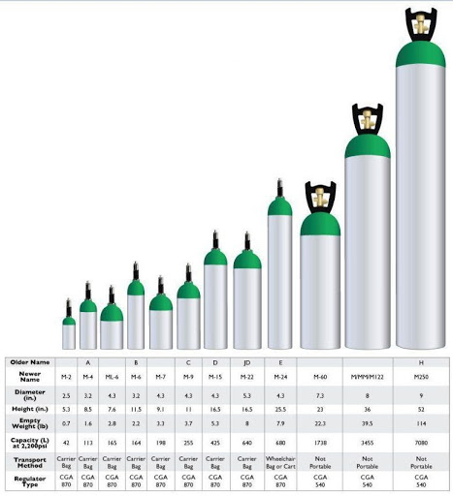
Duration | [ Conversion Factor * Pressure Left (PSI) ]/ (Flow Rate (Liters/Minute))
Daily Tank Estimate | 1* (# of Tanks at 0.5-4 LPM) + 2*(# of tanks at 5-8 LPM) +3*(# of tanks at 10 LPM) + 4*(# tanks at 15 LPM)
CFETPD | Conversion Factor Exact Tanks Per Day
CFATPD | Conversion Factor Approximate Tanks Per Day
CFATPW | Conversion Factor Approximate Tanks Per Week

